Payment Application
SUBCONTRACTOR/SUPPLIER APPLICATION AND CERTIFICATE FOR PAYMENT |  |  |  |  |  |  | PAGE 1 0F 2 PAGES
(This Certificate is not negotiable. It is payable only to the payee named herein and its issuance, payment and acceptance are without prejudice to any rights of the General Contractor
or Subcontractor/Supplier under their Contract)
PROJECT (Project Name, City & State):
 |  |  | ARCHITECT:

 |  |  | ENGINEER:
REMIT TO (General Contractor):
Ashland Construction Company |  |  | SUB/SUPPLIER (Payee):
4601 Atlantic Ave
Raleigh, NC 27604 |  |  | CONTRACT DATE:

Ashland Construction Project Manager: |  |  | APPLICATION DATE: |  | APPLICATION NO:

CHANGE ORDER SUMMARY |  |  | PERIOD FROM: | TO:
Previous Change Order Totals From Previous Pay Applications | ADDITIONS $ | DEDUCTIONS $
 | $0.00 | $0.00 | Application is made for Payment, as shown below, in connection with the Contract.
 |  |  | (Construction project billing format and change order log is attached)
Change Order(s) This Application List Change Order Numbers | ADDITIONS $ | DEDUCTIONS $ | The present status of the account for this Contract is as follows:

 |  |  | 1. ORIGINAL CONTRACT SUM (a) ................................................................................................................................................ |  |  | $ | 0.00

 |  |  | 2. NET CHANGE BY CHANGE ORDER (Fee Included) ......................................................................................................... |  |  | $ | 0.00

 |  |  | 3. CONTRACT SUM TO DATE (b) .............................................................................................................................................. |  |  | $ | 0.00

TOTALS THIS PAY APP | $0.00 | $0.00 | 4. TOTAL COMPLETED & STORED TO DATE (d)....................................................................................................................... |  |  | $ | 0.00

Net change by Change Orders | $0.00 | $0.00 | 5. RETAINAGE: | % OF LINE 4 ...................................................................................... |  | $ | 0.00
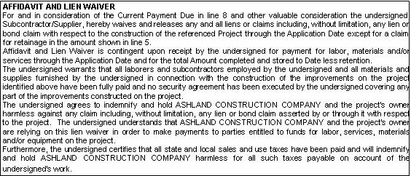
 |  |  | 6. TOTAL EARNED LESS RETAINAGE (= 4 - 5)......................................................................................................................... |  |  | $ | 0.00

 |  |  | 7. LESS PREVIOUS PAYMENTS PAID (e)................................................................................................................................. |  |  | $ | 0.00

 |  |  | 8. CURRENT PAYMENT DUE (h)................................................................................................................................................. |  |  | $ | 0.00

 |  |  | In Accordance with the Contract and this Application, the Subcontractor/Supplier is entitled
 |  |  | to payment in the amount shown on Line 8 above.

 |  |  | FOR SUBCONTRACTOR/SUPPLIER USE |  | ASHLAND CONSTRUCTION COMPANY USE ONLY
 |  |  | Vendor # : |  | Vendor # :
 |  |  | Subcontract/Purchase Order #: |  | Job # :
 |  |  |  |  | Task Code :
Subcontractor/Supplier: |  |  |  |  | Account :
ELECTRONIC SIGNATURE OF SUBCONTRACTOR/SUPPLIER PER AGREEMENT TO CONDUCT THIS TRANSACTION BY ELECTRONIC MEANS PER THE UNIFORM ELECTRONIC TRANSACTIONS ACT. |  |  |  |  | Amount :
 |  |  |  |  | Approved by:
By: | Date: |  |  |  | Date approved:

